Sheet1
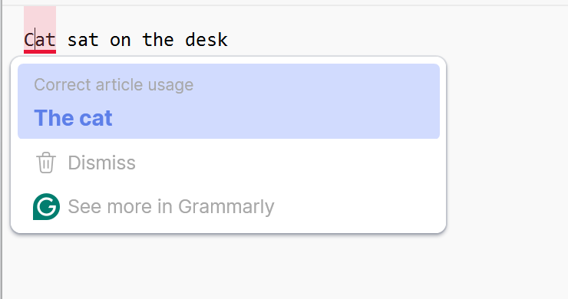
Added the implementation to make Selenium Python work in the AI code generator
 | 2. Use Bugmagnet extension for form filling | 3. Use Grammarly extension to correct the mistake in your content
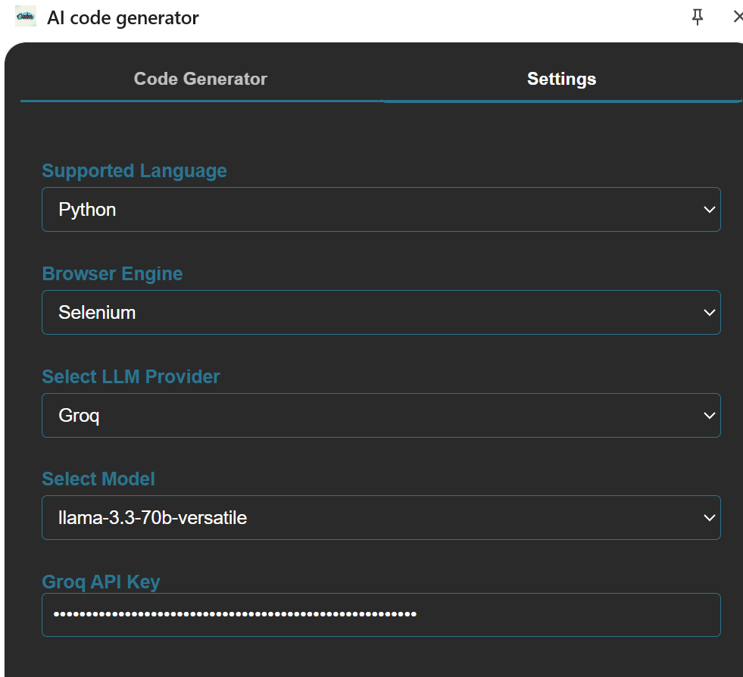
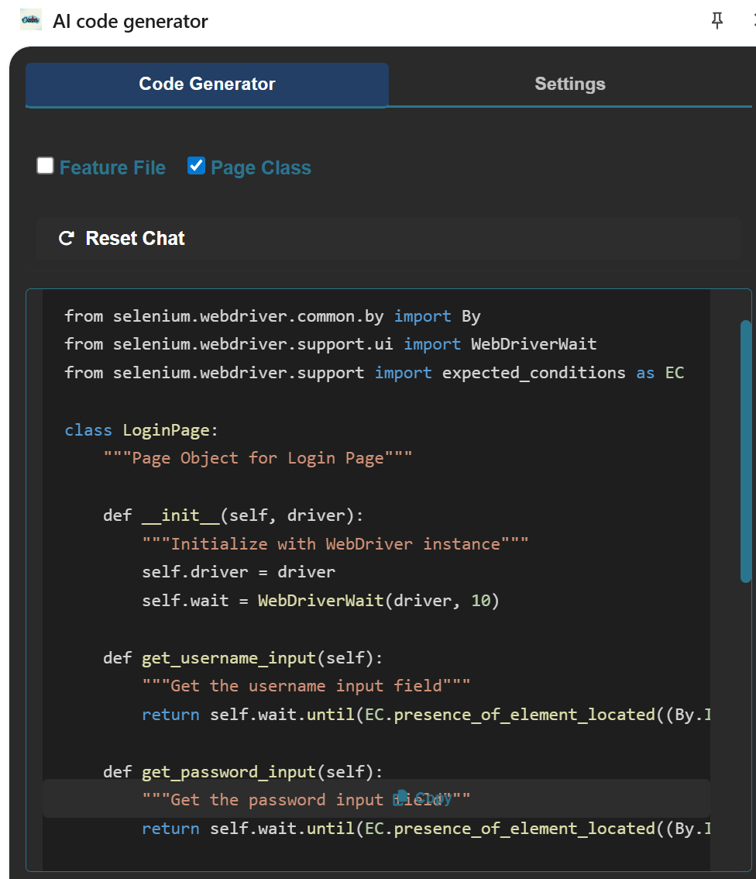
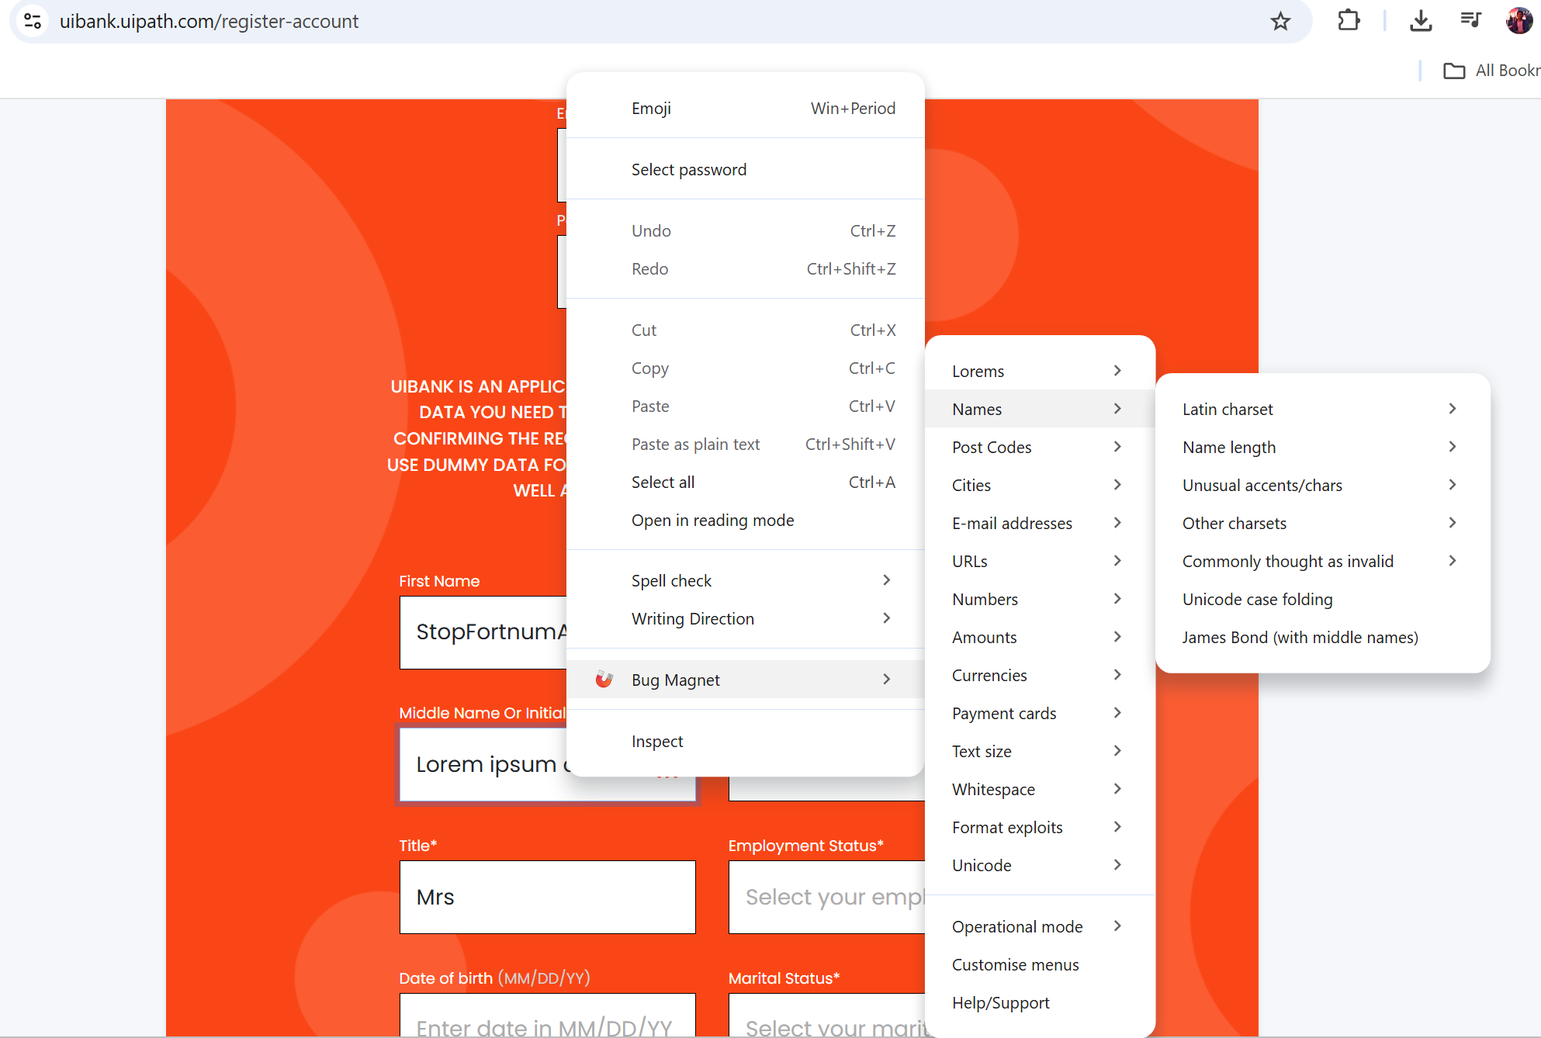
1

